Reference
Partner Code
AZTI | AZTI-Tecnalia
FMAP | Federation of Maltese Aquaculture Producers
HCMR | Hellenic Centre for Marine Research
IEO | Intituto Español de Oceanografía
IFRE | French Research Institute for Exploration of the Sea (IFREMER)
INRH | Institut National de la Recherche Halieutique
IPIM | Instituto de Investigação das Pescas e do Mar (IPIMAR)
ISTA | Istambul University
CYPR | Cyprus Marine Science Foundation
NECT | Necton Marine Research Society
NRIF | National Research Institute of Far Seas Fisheries (NRIFSF)
UNIB | University of Bologna
UNIC | University of Cagliari
UNIG | University of Genova
UCA | University of Cadiz
TAMU | Texas A&M University
CROD | Centre de Recherches Oceanographiques de Dakar
BYP | Bluefin Year Program (ICCAT)
CSIC | Centro Superior de Investigaciones Científicas
BALF | Grup Balfego
UNIM | UNIMAR
IMR | Institute of Marine Research
DFO | Fisheries and Oceans Canada
NOAA | National Oceanic and Atmospheric Administration
ABTL | AquaBioTech Ltd
TAX | Taxon Estudios Ambientales SL
NGBFT | NextGeneration Bluefin Tuna partnership
MI | Marine Institute, Ireland
ROP* | REGIONAL OBSERVER PROGRAM

AREA |  | GrAREA
AE | Aegean Sea | EMED
AS | Adriatic Sea | CMED
AZ | Azores | CNATL
BA | Balearic | WMED
BB | Bay of Biscay | NEATL
BS | Black Sea | BS
CA | Central and North Atlantic | CNATL
CR | Crete | EMED
CY | Cyprus | EMED
DA | Strait of Dardanelles - Bosphorus - Marmara Sea | EMED
EG | North Egypt coast | EMED
ESA | South Atlantic - Eastern | SATL
GI | Gibraltar | GI
GL | Gulf of Lion, Catalan | WMED
GM | Gulf of Mexico, Caribbean Sea | GM
GSL | Canada (Gulf Saint Lawrence) | NWATL
IC | Iceland | NEATL
LI | Ligurian: Italian artisanal fleet | WMED
LS | Levantine Sea (North) | EMED
MA | Malta | CMED
MC | Madeira, Canary Islands | EATL
MO | Morocco | EATL
MS | Mauritania | EATL
NA | North African Coast | WMED
NL | Canada (Newfoundland-Labrador) | NWATL
NS | Canada (Nova Scotia) | NWATL
NW | Norway | NoS
PO | Portugal | NEATL
SA | Sardinia | WMED
SE | Senegal | EATL
SI | South Sicily, Ionian Sea | CMED
SIE | Sicily (East Sicily and Ionian Sea) | CMED
SIS | South Sicily, Strait of Sicily | CMED
SS | Southern Spain | WMED
SY | Gulf of Syrta | CMED
TU | Gulf of Gabes | CMED
TY | Tyrrhenian Sea | WMED
UI | UK, Ireland | NEATL
US | US Coast | NWATL
WSA | South Atlantic - Western | SATL

GrAREA
BS | Black Sea
CMED | Central Mediterranean
CNATL | Central North Atlantic
EATL | East Atlantic - West African coast
EMED | Eastern Mediterranean
GI | Strait of Gibraltar
GM | Gulf of Mexico & Caribean
NEATL | Northeast Atlantic
NoS | North Sea
NWATL | North-Western Atlantic
SATL | South Atlantic
WMED | Western Mediterranean

FISHING GEAR
BB | baitboat
FAD | fish aggregating device
GN | gillnet
GS | Greenstick
HL | handline
LA | larval survey
LL | longline
MWT | pelagic midwater trawl
PS | purse-seine
PSS | purse seine, small scale
RR | rod-and-reel
TN | trammel net
TRAP | trap
TROL | Trolling lines
UNCL | unclassified

Size class |  | TW
V | Larvae
0 | Age 0 | <=3 kg
J | Juveniles | >3 & <=25 kg
M | Medium | >25 & <=100 kg
L | Large | >100 kg

Tissue code
O | otoliths
S | spines
G | gonad
F | fin
M | muscle
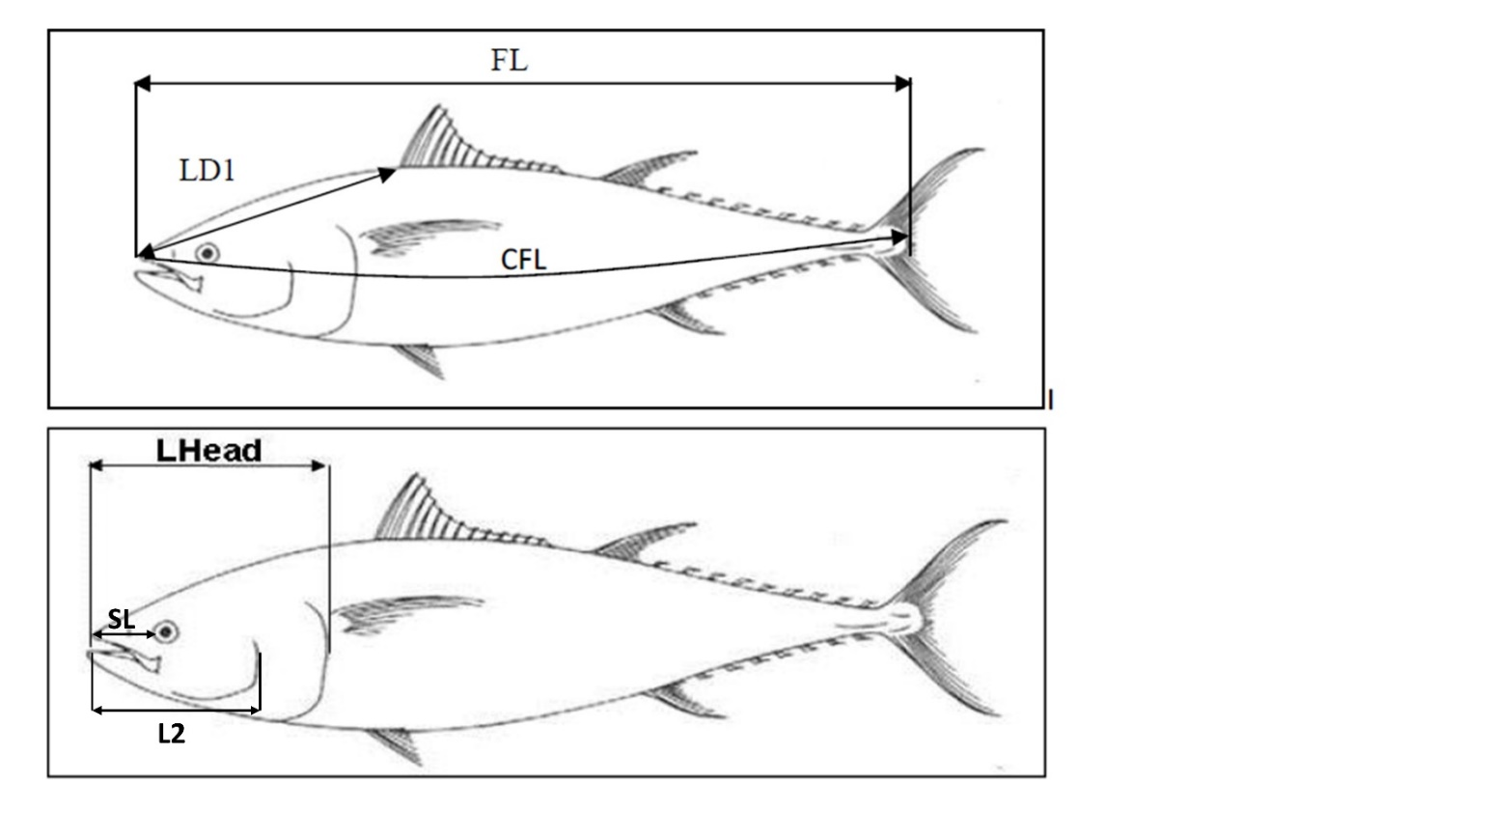
Length Type
SFL | straight fork length
CFL | curved fork length
LD1 | first dorsal length
TL | total length (larvae)
BL | body length (larvae)
LHead | head length
SL | snout length
L2 | lower jaw preoperculum length

Weight Type
TW | total weight
GGT | gilled/gutted
GW | gutted
DT | dressed weight
TW(lbs) | total weight in lbs

Sex
F | Female
M | Male
I | Identerminate

Maturation stage
I | Immature: Small ovaries with no visible ovocytes. Translucid pink color.
IM | Initial Maturation: Ovaries occupy 1/4 to 3/4 of the peritoneal cavity. Pale yellow color.
M | Mature: Ovaries occupy 3/4 of the peritoneal cavity. Visible vascularization. Yellow/orange color. Opaque and visible oocytes.
S | Spawning: Ovaries in maximal development stage. Orange color. Very developped vascularization. Translucid ovocytes visible through the gonad surface.
R | Resting: Flaccid ovaries. Purple color. Occasionally visible translucid ovocytes and opaque ovocytes in advanced development stage, corresponding to the next spawning.
PS | Post Spawning: Flaccid ovaries. Purple color. Gonadal wall thick and very vascularized (very visible capillaries). No ovocytes in advanced development stage.

